Additional Budget
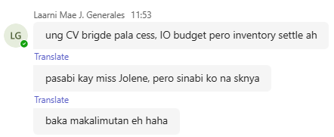
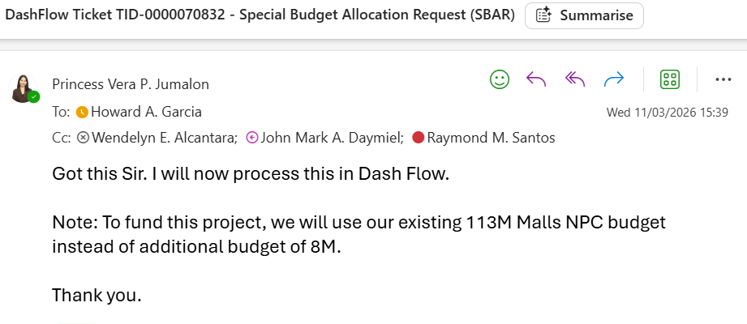
SBU | Source | Amount
CORPORATE - HR
CORPORATE - IT
CORPORATE - ADMIN
ESTATES
MALLS
OFFICES
RESIDENTIAL

